Notes
Node.js
 | LTS | Long Term Support

 | Node.js | javascript runtime environment
 |  |  | where developers can manipulate & send instructions to a program
 |  | can run outside the browser
 |  | server side scripting which is used to build scalable programs

How node.js works
 | it works on a v8 environment, it is a virtual machine that utilizes JavaScript and achieves high output via non-blocking I/O and single threaded event loop

V8 | Google's open source high-performance JavaScript engine

Node.js Read Eval Print Loop (REPL)
 | an interactive shell that processes Node.js expressions.

JavaScript Object Notation (JSON)
 | Simple and popular format
 | Used to exchange data over the APIs

Microsoft Edge |  | Chakra
Mozilla Frirefox |  | SpiderMonkey
Google Chrome |  | V8

Asynchronous |  |  |  |  |  |  | Where can we use node.js?
 | Call Stack | simple data structure provided by V8 JavaScript Engine |  |  |  |  |  | Web applications ( especially real-time web apps )
 |  | to track execution of the program |  |  |  |  |  | Network applications
 | Node APIs |  |  |  |  |  |  | Distributed systems
 |  | setTimeout()
 | Event Loop |  |  |  |  |  | Advantage
 |  | to process and handle external events and to convert them into callback |  |  |  |  |  | It provides an easy way to build scalable network programs
 |  | looks in call stack & callback |  |  |  |  |  | Generally fast
 |  | waiting to call stack to be emptied before callback function to be executed |  |  |  |  |  | Great concurrency
 | Callback Queue
 |  | maintains the list of callback functions that ready to be executed |  |  |  |  | Two Types of API Functions
 |  |  |  |  |  |  |  | Asynchronous, non-blocking functions
Nonblocking I/O |  | shorthand for input and output |  |  |  |  |  | Synchronous, blocking functions
 |  | lightweight / efficient
 |  | can do concurrent process |  |  |  |  | Control Flow Function
 |  |  |  |  |  |  |  | Generic piece of code which runs in
Single-Threaded
 |  | can do one thing at a time |  |  |  |  |  |  | between several asynchronous function calls
 |  |  | node using other threads in C++ behind the scene to manage events |  |  |  | Control Flow Steps
 |  | I believed that more performance and scalability can be achieved by doing async processing on a single thread |  |  |  |  |  | Control the order of execution
 |  |  |  |  |  |  |  | Collect data
Eventdriven |  |  |  |  |  |  |  | Limit concurrency
 | process of registering callbacks |  |  |  |  |  |  | Call the next step in program
 | main loop that listens for events, then triggers a callback function when one of those events is detected
 |  |  |  |  |  |  | Can you access DOM in node?
Node.js Module Types |  |  |  |  |  |  |  | No, you cannot access DOM in node.
 | Core Modules |  |  | (nodejs.org) |  | events, fs, http, os, path
 |  |  |  |  |  | provide low-level implementation | In event loop what are the tasks that should be done asynchronously?
 | Local Modules |  |  |  |  | relative path |  | I/O operations
 |  |  |  |  |  |  |  | Heavy computation
 | Third Party Modules |  |  | NPM |  | express, validator, chalk, request, sequelize, handlebars, etc. |  | Anything requiring blocking
 |  |  |  | (npmjs.com)
Require |  |  |  |  |  |  | Security
 |  |  |  |  |  |  |  | Use parameterized inputs to prevent injection attacks.
process.argv |  | argument vector (array) |  |  |  |  |  | Use multi-factor authentication to prevent automated attacks.
 |  | used to get the arguments passed to the node.js process when run in the command line |  |  |  |  |  | Discard sensitive data after use.
 |  |  |  |  |  |  |  | Enforce access control on every request.
Dot Notation |  | obj.value |  |  |  |  |  | Sufficient logging and monitoring.
Bracket Notation |  | obj['value'] |  |  |  |  |  | Proper validation

Arrow Functions |  | don't bind their own "this" value

HTML tags without closing < /> |  |  |  | self-closing

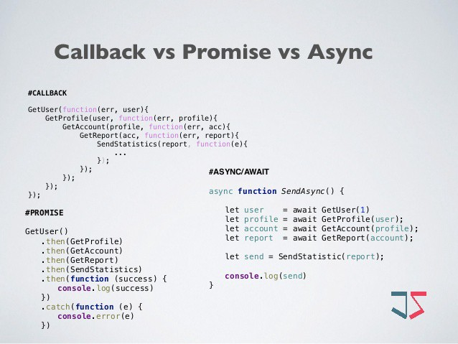
Callbacks |  | function that is passed as an argument to another function to be “called back” at a later time
 |  | used in node.js to deal with multiple requests made to the server
 |  | allows the server to deal with pending request first and call a function when it is finished

 |  | Cons
 |  |  | as developers we need to know how to avoid callback hell or nested functions
 |  |  |  | where you have a lots of callbacks inside of callbacks

Promises |  |  | it allows us to associate handlers with an asynchronous action
 |  |  |  | that will eventually return a success value or an error
 |  |  | promises break down the code and chain them together

 | .then() |  | method allows us to register a function to run when things go well so when resolve is called
 | .catch() |  | method allows us to register a function to run when reject is called

 | Promise | -> | Pending | -> | Fulfilled
 |  |  |  | -> | Rejected

Async-Await |  |  | to simplify the behavior of promises synchronously
 |  |  | clean and neat syntax
 | Await |  | pauses the execution of async functions when placed in front of a Promise call
 |  |  | forces the rest of the code to wait until that Promise finishes and returns a result

Cross-Origin Resource Sharing (CORS)
 | an HTTP-header based mechanism that allows a server to indicate any other origins (domain, scheme, or port)
 |  | in order to check that the server will permit the actual request

ES6 | type: "number", |  | without a "function" and colon (:)
 | validate(value) {}

REST API or RESTful API

 | Representational State Transfer - Application Programming Interface
 |  | a set of tools that allow you to build software application

 | Task Resource
 | Create | POST | /tasks

 | Read | GET | /tasks
 | Read | GET | /tasks/:id

 | Update | PATCH | /tasks/:id

 | Delete | DELETE | /tasks/:id

 | Request
 | POST /tasks HTTP/1.1 |  |  |  |  | Request line
 | Accept: application/json |  |  |  |  | Attach meta information
 | Connection: Keep-Alive |  |  |  |  | Set
 | Authorization: Bearer dsMkdXsak… |  |  |  |  | Setup authentication

 | {"description": "Order new drill bits"} |  |  |  |  | Request body

 | Response
 | HTTP/1.1 201 Created
 | Date: Sun, 28 Jul 2019 15:37:37 GMT
 | Server: Express
 | Content-Type: application/json

 | {"_id": "092718fab36f907b0d45e5a", "description": "Order new drill bits", "completed": false}

